Title Page
 |  | 2009 COSTS OF PRODUCING ALFALFA HAY
 |  | UNDER CENTER PIVOT IRRIGATION IN THE
 |  | COLUMBIA BASIN OF WASHINGTON STATE

 | Herbert Hinman, John Kugler, Kate Painter, Phil Petersen1

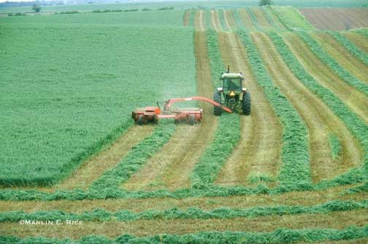 |  |  | Photo: Marlin E. Rice, Iowa State University

 | 1 Authorship is equally shared among the four authors, all at Washington State University: Herbert Hinman (retired) was an Extension Economist; John Kugler (retired) was an area educator (agronomy), Grant/Adams counties; Kate Painter is an analyst for the Center for Sustaining Ag and Natural Resources; Phil Petersen is an area educator (agronomy), Benton/Franklin counties.

Summary Graph
Figure 1. Graphical Illustration of Returns by Crop and Rotation ($/acre)
Returns over Variable and Total Costs by Bale Size and Operation
 |  | Returns | Returns
 |  | over TC | over VC

 | Sm Bales, Custom | -$218 | $354
 | Lg Bales, Custom | -$401 | $171
 | Sm Bales, Owner | -$162 | $499
 | Lg Bales, Owner | -$265 | $392

