Title Page

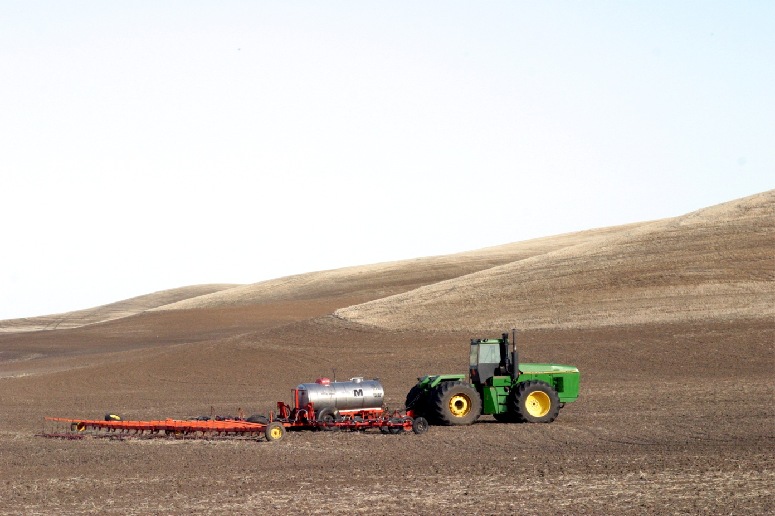

 |  |  | Photo: Terry Day

 |  | 2009 Crop Rotation Budgets for Less Than 15" Precipitation Zone
 |  | Under Conventional and Reduced Tillage
 |  | Dryland Grain Producing Region of the NW Wheat & Range Region

 |  | Kathleen Painter, PhD
 |  | Analyst, Agricultural Economics & Rural Sociology
 |  | Adjunct, School of Economic Sciences, Wash. State Univ.
 |  | University of Idaho
 |  | PO Box 442334
 |  | Moscow ID 83844-2334
 |  | (208) 885-6041
 |  | kpainter@uidaho.edu

Budget spreadsheets are available at the following links:
 | http://www.uidaho.edu/~kpainter
http://csanr.wsu.edu/Publications/FarmMgmtEconomics.htm

Graphs
Summary of Returns by Crop and Rotation ($/acre/year)

 | Returns
 | over TC
By Crop: | ($/acre)
CT WW | $50
SF
RT WW | $10
CF

Returns over Total Costs by Rotation ($/ac/yr)

 | Returns
 | over TC
By Rotation: | ($/acre)
SF, CTWW | $25
CF, RTWW | $5

Crop Price: |  | LEGEND:
WW ($/bu)
$5.08 |  | CTWW: Conv. Tillage Winter Wheat
$5.08 |  | RTWW: Reduced Tillage Winter Wheat

