Title
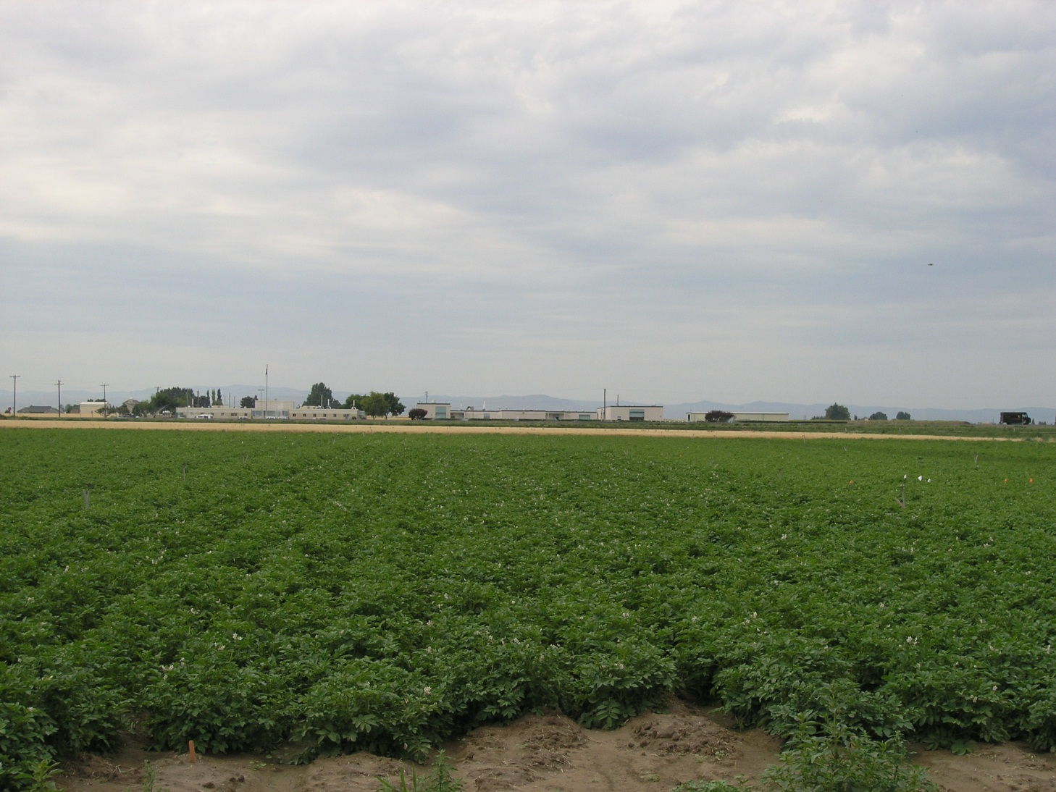

Costs & Returns for Irrigated Organic Russet Burbank Potatoes in Southern Idaho

Kathleen Painter
Analyst, Agricultural Economics & Rural Sociology
University of Idaho
PO Box 442334
Moscow ID 83844-2334
(208) 885-6041
kpainter@uidaho.edu

Jennifer Miller, PhD
Agriculture Program Coordinator
Northwest Coalition for Alternatives to Pesticides
millerjen@cableone.net

Nora Olsen
Extension Potato Specialist
Twin Falls Research & Extension Center
University of Idaho
norao@uidaho.edu

